Welcome
Please enable macros before using this spreadsheet

Step #1

Step #2
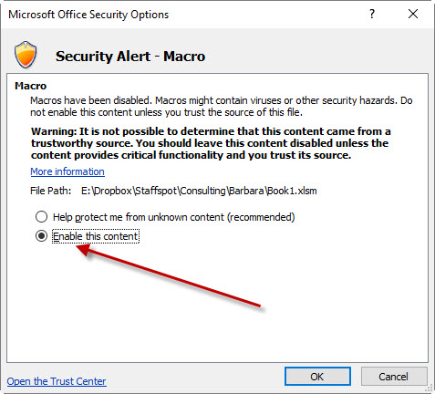

Step #3
Click the Database sheet down the bottom to switch to your database

